MT
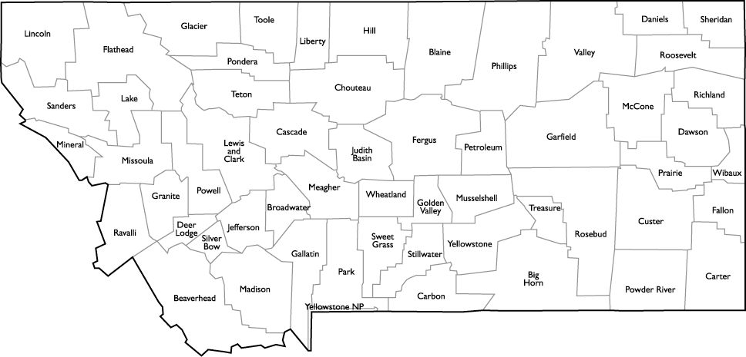
1009
123
22
14
477
593
8
 | County | Disaster Rank | Disaster Index | Pop. | Area | Density | Notes
1 | Sweet Grass | 1 | 1.3 | 3,665 | 1,855 | 2.0
2 | Wheatland | 3 | 1.5 | 2,102 | 1,423 | 1.5
429
665
740
3 | Fergus | 6 | 2.2 | 11,442 | 4,339 | 2.6
92
18
4 | Liberty | 8 | 2.4 | 2,359 | 1,430 | 1.6
222
373
691
347
5 | Golden Valley | 11 | 2.6 | 852 | 1,175 | 0.7
43
6 | Hill | 14 | 2.8 | 16,596 | 2,896 | 5.7
825
638
7 | Silver Bow | 15 | 2.8 | 34,680 | 718 | 48.3
8 | Blaine | 18 | 3.0 | 6,619 | 4,226 | 1.6
137
108
153
9 | Toole | 22 | 3.0 | 5,150 | 1,911 | 2.7
6
304
145
10 | Judith Basin | 27 | 3.2 | 1,991 | 1,870 | 1.1
329
252
66
150
11 | Stillwater | 33 | 3.3 | 9,290 | 1,795 | 5.2
474
27
12 | Yellowstone | 36 | 3.4 | 155,634 | 2,635 | 59.1
11
13 | Chouteau | 43 | 3.6 | 5,894 | 3,973 | 1.5
44
3
593
14 | Meagher | 44 | 3.7 | 1,853 | 2,392 | 0.8
648
96
56
46
114
15 | Musselshell | 46 | 3.7 | 4,589 | 1,867 | 2.5
398
197
98
107
16 | Broadwater | 56 | 4.0 | 5,667 | 1,192 | 4.8
443
36
17 | Petroleum | 66 | 4.2 | 485 | 1,654 | 0.3
15
1
18 | Fallon | 74 | 4.3 | 3,108 | 1,620 | 1.9
132
33
264
206
19 | Pondera | 92 | 4.7 | 6,219 | 1,625 | 3.8
138
291
20 | Jefferson | 96 | 4.8 | 11,558 | 1,657 | 7.0
247
486
21 | Treasure | 98 | 4.8 | 692 | 979 | 0.7
22 | Rosebud | 107 | 4.9 | 9,326 | 5,012 | 1.9
23 | Cascade | 108 | 5.0 | 82,344 | 2,698 | 30.5
24 | Custer | 114 | 5.1 | 12,092 | 3,783 | 3.2
25 | Glacier | 123 | 5.3 | 13,696 | 2,995 | 4.6
26 | Park | 132 | 5.4 | 15,880 | 2,656 | 6.0
27 | Lewis and Clark | 137 | 5.5 | 65,856 | 3,461 | 19.0
28 | Madison | 138 | 5.5 | 7,820 | 3,587 | 2.2
29 | Prairie | 145 | 5.7 | 1,148 | 1,737 | 0.7
30 | Wibaux | 150 | 5.7 | 1,121 | 889 | 1.3
31 | Dawson | 153 | 5.8 | 9,518 | 2,373 | 4.0
32 | Deer Lodge | 197 | 6.4 | 9,150 | 737 | 12.4
33 | Carter | 206 | 6.4 | 1,169 | 3,340 | 0.4
34 | Teton | 222 | 6.7 | 6,064 | 2,273 | 2.7
35 | Beaverhead | 247 | 7.0 | 9,345 | 5,543 | 1.7
36 | Powell | 252 | 7.0 | 6,909 | 2,326 | 3.0
37 | Big Horn | 264 | 7.1 | 13,282 | 4,995 | 2.7
38 | Powder River | 291 | 7.3 | 1,783 | 3,297 | 0.5
39 | Garfield | 304 | 7.6 | 1,309 | 4,668 | 0.3
40 | Mineral | 329 | 7.8 | 4,257 | 1,220 | 3.5
41 | Richland | 347 | 8.0 | 11,576 | 2,084 | 5.6
42 | Phillips | 373 | 8.2 | 4,192 | 5,140 | 0.8
43 | Ravalli | 398 | 8.4 | 41,030 | 2,394 | 17.1
44 | Flathead | 429 | 8.7 | 94,924 | 5,099 | 18.6
45 | Gallatin | 443 | 8.8 | 97,308 | 2,507 | 38.8
46 | Missoula | 474 | 9.0 | 112,684 | 2,598 | 43.4
47 | Sheridan | 477 | 9.0 | 3,696 | 1,677 | 2.2
48 | Carbon | 486 | 9.1 | 10,399 | 2,048 | 5.1
49 | Lincoln | 593 | 10.0 | 19,125 | 3,613 | 5.3
50 | Lake | 638 | 10.5 | 29,099 | 1,494 | 19.5
51 | Granite | 648 | 10.6 | 3,209 | 1,728 | 1.9
52 | Valley | 665 | 10.7 | 7,640 | 4,921 | 1.6
53 | McCone | 691 | 10.9 | 1,694 | 2,643 | 0.6
54 | Roosevelt | 740 | 11.4 | 11,332 | 2,356 | 4.8
55 | Sanders | 825 | 12.3 | 11,364 | 2,762 | 4.1
56 | Daniels | 1,009 | 14.0 | 1,793 | 1,426 | 1.3

